outfile
# | JSON Location |  |  | XL Location |  |  | GUID | XL Multi | JSON Multi | MULTI MATCH | Magic Point | JSON Reductive | XL Reductive | REDUC MATCH | x_mp | y_mp | z_mp |  | REDUC MATCH
 | x | y | z | x | y | z
1 | 0.003 | -0.002 | 10.152 | 0 | 0 | 10 | d28da70a-3703-47cd-9ee6-75fe92216937 | 3.654915056 | 3.6548159618 | TRUE | 7 | 1 | 1 | TRUE |  |  |  | #NUM! | #NUM! | 1
2 | 19.6 | 0 | 10 | 20 | 0 | 10 | 5d162e6f-816c-4128-b58d-9e463bd6a97b | 2.547536619 | 2.5474788575 | TRUE | 22 | 1.0214234396 | 1.020662153 | TRUE | 40.001 | 0.002 | 20.152 | 1.0214234396 | TRUE | 1
3 | 0 | 19.6 | 10 | 0 | 20 | 10 | a007c3c0-dac7-421b-81cb-e97f3f54bebc | 2.547536619 | 2.5474788575 | TRUE | 7 | 1.0211781152 | 1.020662153 | TRUE | 0.016 | 40.015 | 20.152 | 1.0211781152 | TRUE | 1
4 | 34.4 | 60 | 10 | 35 | 60 | 10 | ef44edeb-9c41-4e94-be5d-4dd3f33d8b72 | 2.547536619 | 2.5474788575 | TRUE | 13 | 1.604481186 | 1.658070559 | FALSE | 40.014 | 60.04 | 20.152 | 1.604481186 | TRUE | 1
5 | 60.016 | 35.015 | 10.152 | 60 | 35 | 10 | 0f9feb79-a710-4ab7-9b70-ed021f929c7d | 2.547536619 | 2.5474788575 | TRUE | 17 | 1.6596977981 | 1.658070559 | TRUE | 60.024 | 40.001 | 20.152 | 1.6596977981 | TRUE | 1
6 | 0 | 46.3 | 20 | 0 | 45 | 20 | a21a66ae-15c0-4ffd-affd-aebcd7411212 | 3.256322905 | 3.2562386877 | TRUE | 26 | 1.8572810214 | 1.658070559 | FALSE | -0.002 | 49.996 | 30.152 | 1.8572810214 | TRUE | 1
7 | 0 | 40.4 | 20 | 0 | 40 | 20 | b3f42950-defa-496b-bc16-cebbab777ad0 | 5.622475596 | 3.2562386877 | FALSE | 26 | 1.3300018437 | 1.300895794 | FALSE | -0.002 | 49.996 | 30.152 | 1.3300018437 | TRUE | 0
7 | 0.016 | 40.015 | 20.152 | 0 | 40 | 20 | e3af92cb-e559-4e5c-be26-4d11c387bffe | 5.622475596 | 5.622303062 | TRUE | 26 | 1.3017612596 | 1.300895794 | TRUE | -0.002 | 49.996 | 30.152 | 1.3017612596 | TRUE | 1
8 | 10.7 | 40 | 20 | 10 | 40 | 20 | 7e622dce-1a37-4fe7-b293-479091819bf9 | 5.203719617 | 5.2035485469 | TRUE | 28 | 1.3100375077 | 1.300895794 | TRUE | 9.996 | 49.995 | 30.152 | 1.3100375077 | TRUE | 1
9 | 20 | 40.4 | 20 | 20 | 40 | 20 | d8b489fa-ee7d-4e06-bec5-d0abad552001 | 6.541246759 | 5.2035485469 | FALSE | 28 | 1.1693623832 | 1.15229124 | TRUE | 9.996 | 49.995 | 30.152 | 1.1693623832 | TRUE | 0
9 | 19.6 | 40 | 20 | 20 | 40 | 20 | 59d95149-b6bc-4ed0-bb2d-d2679fee8b21 | 6.541246759 | 5.2035485469 | FALSE | 28 | 1.1693700515 | 1.15229124 | TRUE | 9.996 | 49.995 | 30.152 | 1.1693700515 | TRUE | 0
10 | 20 | 43.3 | 20 | 20 | 45 | 20 | b07eaf08-c35e-4d47-a6f2-198c9dcbd159 | 5.203719617 | 5.2035485469 | TRUE | 28 | 1.2285568779 | 1.251074745 | TRUE | 9.996 | 49.995 | 30.152 | 1.2285568779 | TRUE | 1
10 | 20 | 46.3 | 20 | 20 | 45 | 20 | 476b22f3-9cf8-4009-8b86-f0279e0cfd10 | 5.203719617 | 5.2035485469 | TRUE | 28 | 1.2817510033 | 1.251074745 | FALSE | 9.996 | 49.995 | 30.152 | 1.2817510033 | TRUE | 1
11 | 20 | 55.2 | 20 | 20 | 55 | 20 | c0c06a2f-9cdf-47a0-9899-46a1ee814632 | 5.203719617 | 5.2035485469 | TRUE | 29 | 1.3107091228 | 1.300895794 | TRUE | 9.997 | 54.995 | 30.152 | 1.3107091228 | TRUE | 1
11 | 19.997 | 55.004 | 20.152 | 20 | 55 | 20 | 6d26751c-eaf9-43a9-aa88-fffa022af40b | 5.203719617 | 5.2022365319 | TRUE | 29 | 1.3008956093 | 1.300895794 | TRUE | 9.997 | 54.995 | 30.152 | 1.3008956093 | TRUE | 1
12 | 43.3 | 60 | 20 | 45 | 60 | 20 | 70117144-faa4-4159-882e-609b7a604f78 | 3.256322905 | 3.2562386877 | TRUE | 32 | 1.5084318657 | 1.658070559 | FALSE | 49.997 | 59.996 | 30.152 | 1.5084318657 | TRUE | 1
13 | 40.014 | 60.04 | 20.152 | 40 | 60 | 20 | 08e409b3-aba1-490f-84e6-4f964f3667cb | 5.622475596 | 5.622303062 | TRUE | 32 | 1.301666291 | 1.300895794 | TRUE | 49.997 | 59.996 | 30.152 | 1.301666291 | TRUE | 1
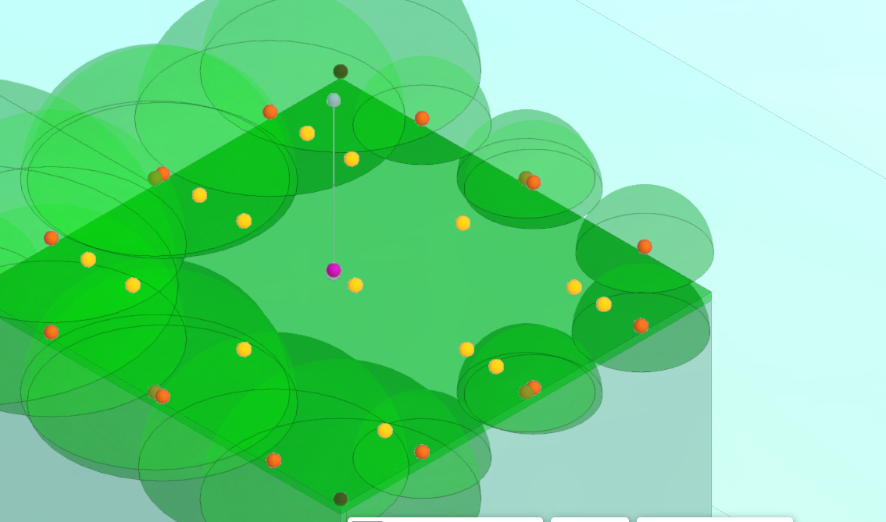
14 | 40 | 49.3 | 20 | 40 | 50 | 20 | 6e4eaf29-70d0-44aa-9df2-930775f6b2c0 | 5.203719617 | 5.2024951676 | TRUE | 34 | 1.3100662617 | 1.300895794 | TRUE | 49.995 | 49.995 | 30.152 | 1.3100662617 | TRUE | 1
15 | 40.002 | 39.995 | 20.152 | 40 | 40 | 20 | c7c4d26c-7135-4f93-8342-4b102a84736f | 6.541246759 | 6.5378274238 | TRUE | 34 | 1.1524324041 | 1.15229124 | TRUE | 49.995 | 49.995 | 30.152 | 1.1524324041 | TRUE | 1
16 | 49.3 | 40 | 20 | 50 | 40 | 20 | 2756e252-1782-4e78-a0b5-48aa6fb2b9d9 | 5.203719617 | 5.2024951676 | TRUE | 34 | 1.3100662617 | 1.300895794 | TRUE | 49.995 | 49.995 | 30.152 | 1.3100662617 | TRUE | 1
17 | 60.024 | 40.001 | 20.152 | 60 | 40 | 20 | 70447d2b-85f2-43d1-b946-9464ed1b8907 | 5.622475596 | 5.622303062 | TRUE | 36 | 1.3011674305 | 1.300895794 | TRUE | 59.997 | 49.995 | 30.152 | 1.3011674305 | TRUE | 1
18 | 60 | 43.3 | 20 | 60 | 45 | 20 | 64bebe3b-ec6a-4c43-a277-818aec966bfa | 3.256322905 | 3.2562386877 | TRUE | 36 | 1.5085896067 | 1.658070559 | FALSE | 59.997 | 49.995 | 30.152 | 1.5085896067 | TRUE | 1
19 | 49.997 | 20.004 | 20.152 | 50 | 20 | 20 | 18ea3100-5db1-453d-adcf-83428f124d47 | 5.203719617 | 5.2022365319 | TRUE | 40 | 1.3004407782 | 1.300895794 | TRUE | 49.995 | 9.994 | 30.152 | 1.3004407782 | TRUE | 1
20 | 40.002 | 19.997 | 20.152 | 40 | 20 | 20 | fe2e9b4a-1a64-4eba-a0b1-10d3620fd836 | 6.541246759 | 6.5393824724 | TRUE | 40 | 1.1523718606 | 1.15229124 | TRUE | 49.995 | 9.994 | 30.152 | 1.1523718606 | TRUE | 1
21 | 40 | 10.7 | 20 | 40 | 10 | 20 | 87b45fb6-f7fb-4433-abb0-cb02030b05b4 | 5.203719617 | 5.2035485469 | TRUE | 40 | 1.3100310682 | 1.300895794 | TRUE | 49.995 | 9.994 | 30.152 | 1.3100310682 | TRUE | 1
22 | 40.001 | 0.002 | 20.152 | 40 | 0 | 20 | 0b250eba-97b2-4f91-ac02-40a495822c3f | 5.622475596 | 5.622303062 | TRUE | 42 | 1.3011234156 | 1.300895794 | TRUE | 49.996 | -0.005 | 30.152 | 1.3011234156 | TRUE | 1
23 | 45.009 | 0.009 | 20.152 | 45 | 0 | 20 | 5f283e18-7e07-4546-ab15-72278348430f | 3.256322905 | 3.2562386877 | TRUE | 42 | 1.6595797677 | 1.658070559 | TRUE | 49.996 | -0.005 | 30.152 | 1.6595797677 | TRUE | 1
24 | -0.005 | 59.995 | 30.152 | 0 | 60 | 30 | f9b78d85-a24d-4a6d-bed7-2c2dee8ce4b4 | 7.393631976 | 7.3933932381 | TRUE |  | 1 | 1 | TRUE |  |  |  | #NUM! | #NUM! | 1
25 | -0.004 | 54.996 | 30.152 | 0 | 55 | 30 | 53712799-7499-4d43-af9c-4c7a7f3e5c39 | 3.813163002 | 3.8130579721 | TRUE |  | 1 | 1 | TRUE |  |  |  | #NUM! | #NUM! | 1
26 | -0.002 | 49.996 | 30.152 | 0 | 50 | 30 | 789d8c54-fbec-448a-a0ba-389b80ea8911 | 7.393631976 | 7.3933932381 | TRUE |  | 1 | 1 | TRUE |  |  |  | #NUM! | #NUM! | 1
27 | 4.8 | 50 | 30 | 5 | 50 | 30 | fd129f73-874a-4adc-96f2-772c40aafaf2 | 7.103550507 | 7.1030053222 | TRUE |  | 1 | 1 | TRUE |  |  |  | #NUM! | #NUM! | 1
28 | 9.996 | 49.995 | 30.152 | 10 | 50 | 30 | 2e62a1d2-e2e2-4b54-bd72-67fe5a3ba217 | 10.88167612 | 10.877507197 | TRUE |  | 1 | 1 | TRUE |  |  |  | #NUM! | #NUM! | 1
29 | 10 | 55.2 | 30 | 10 | 55 | 30 | 0187919e-0628-4f02-8b4e-50f49b89d8bd | 7.103550507 | 7.1030053222 | TRUE |  | 1 | 1 | TRUE |  |  |  | #NUM! | #NUM! | 1
30 | 9.995 | 59.997 | 30.152 | 10 | 60 | 30 | e4344bb5-8c18-43aa-b18e-0451a3d28824 | 7.393631976 | 7.3933932381 | TRUE |  | 1 | 1 | TRUE |  |  |  | #NUM! | #NUM! | 1
31 | 4.8 | 60 | 30 | 5 | 60 | 30 | caf04a6f-e8a7-4a67-a0a7-b3ceada83c29 | 3.813163002 | 3.8130579721 | TRUE |  | 1 | 1 | TRUE |  |  |  | #NUM! | #NUM! | 1
32 | 49.997 | 59.996 | 30.152 | 50 | 60 | 30 | e8895707-0504-4aa2-8209-5b343aaf0f72 | 7.393631976 | 7.3933932381 | TRUE |  | 1 | 1 | TRUE |  |  |  | #NUM! | #NUM! | 1
33 | 50 | 55.2 | 30 | 50 | 55 | 30 | 3f828107-3f18-4862-9415-8558fc44f5f7 | 7.103550507 | 7.1030053222 | TRUE |  | 1 | 1 | TRUE |  |  |  | #NUM! | #NUM! | 1
34 | 49.995 | 49.995 | 30.152 | 50 | 50 | 30 | 810a11ff-724b-487d-aa93-d50557b60ff2 | 10.88167612 | 10.877507197 | TRUE |  | 1 | 1 | TRUE |  |  |  | #NUM! | #NUM! | 1
35 | 55.2 | 50 | 30 | 55 | 50 | 30 | 942be6ab-94f2-4904-b038-6d1fe708efb6 | 7.103550507 | 7.1030053222 | TRUE |  | 1 | 1 | TRUE |  |  |  | #NUM! | #NUM! | 1
36 | 59.997 | 49.995 | 30.152 | 60 | 50 | 30 | 3adedd31-40f4-45a5-80b1-549b5c1a9c93 | 7.393631976 | 7.3933932381 | TRUE |  | 1 | 1 | TRUE |  |  |  | #NUM! | #NUM! | 1
37 | 60 | 55.2 | 30 | 60 | 55 | 30 | b06c761e-966d-423e-9b15-7a95638070c8 | 3.813163002 | 3.8130579721 | TRUE |  | 1 | 1 | TRUE |  |  |  | #NUM! | #NUM! | 1
38 | 59.999 | 59.994 | 30.152 | 60 | 60 | 30 | 5afd5c61-f3db-410c-beb0-7291ee783916 | 7.393631976 | 7.3933932381 | TRUE |  | 1 | 1 | TRUE |  |  |  | #NUM! | #NUM! | 1
39 | 55.2 | 60 | 30 | 55 | 60 | 30 | 4559e3f3-aa13-46b7-8809-f738fed6b3b4 | 3.813163002 | 3.8130579721 | TRUE |  | 1 | 1 | TRUE |  |  |  | #NUM! | #NUM! | 1
40 | 49.995 | 9.994 | 30.152 | 50 | 10 | 30 | d8409f13-ff30-4f71-be09-fc7163c23508 | 10.88167612 | 10.877507197 | TRUE |  | 1 | 1 | TRUE |  |  |  | #NUM! | #NUM! | 1
41 | 50 | 4.8 | 30 | 50 | 5 | 30 | 4eed940a-15fa-4a6a-91c4-fdeea4ef4034 | 7.103550507 | 7.1030053222 | TRUE |  | 1 | 1 | TRUE |  |  |  | #NUM! | #NUM! | 1
42 | 49.996 | -0.005 | 30.152 | 50 | 0 | 30 | 7db31adf-eb43-4f2f-a855-f6a5d0baa474 | 7.393631976 | 7.3933932381 | TRUE |  | 1 | 1 | TRUE |  |  |  | #NUM! | #NUM! | 1
43 | 55.2 | 0 | 30 | 55 | 0 | 30 | 0ce00de9-0d99-4856-a5d2-21890ac956f7 | 3.813163002 | 3.8130579721 | TRUE |  | 1 | 1 | TRUE |  |  |  | #NUM! | #NUM! | 1
44 | 58.1 | 0 | 30 | 60 | 0 | 30 | 2aff85c8-c302-403a-8d8a-afce6cc98dd6 | 7.393631976 | 3.8130579721 | FALSE |  | 1 | 1 | TRUE |  |  |  | #NUM! | #NUM! | 0
45 | 60 | 4.8 | 30 | 60 | 5 | 30 | 99663ee1-da48-46be-95f6-7a7a2c9deea2 | 3.813163002 | 3.8130579721 | TRUE |  | 1 | 1 | TRUE |  |  |  | #NUM! | #NUM! | 1
46 | 59.996 | 9.994 | 30.152 | 60 | 10 | 30 | 35c727aa-13d9-486d-ad18-0dcc29b41da4 | 7.393631976 | 7.3933932381 | TRUE |  | 1 | 1 | TRUE |  |  |  | #NUM! | #NUM! | 1
47 | 55.2 | 10 | 30 | 55 | 10 | 30 | e25facbe-14b6-41c0-a49a-25e11902a0bc | 7.103550507 | 7.1030053222 | TRUE |  | 1 | 1 | TRUE |  |  |  | #NUM! | #NUM! | 1
48 | Active |  |  |  |  |  |  |  |  |  |  |  |  |  |  |  |  |  |  | 47
49 | Active
50 | Active
51 | Active
52 | 13.7 | 10.7 | 10 | 13.7 | 10.7 | 10 | 2c7f804f-d7ba-42ca-ac41-e253f4abe25f | 1.341894991 | 0 | FALSE | 21 | 0 | 1 | FALSE |  |  |  | #NUM! | TRUE

